BugsIssues
Bug/Issue | Description | Steps to Reproduce | Additional Information
ISSUE | I raised this as a bug as it is an odd sorting algorithm. Excel for example sorts numerically first, then by special characters and finally by alpha. However, as I do not have any requirements for this app, I consider it to be an issue rather than a bug and would request clarification as to what is expected/desired | Refer to Test Case #4 & 5
BUG | 500 character computer name causes text to run off screen in success message when computer is added. | Refer to Test Case # 7 | 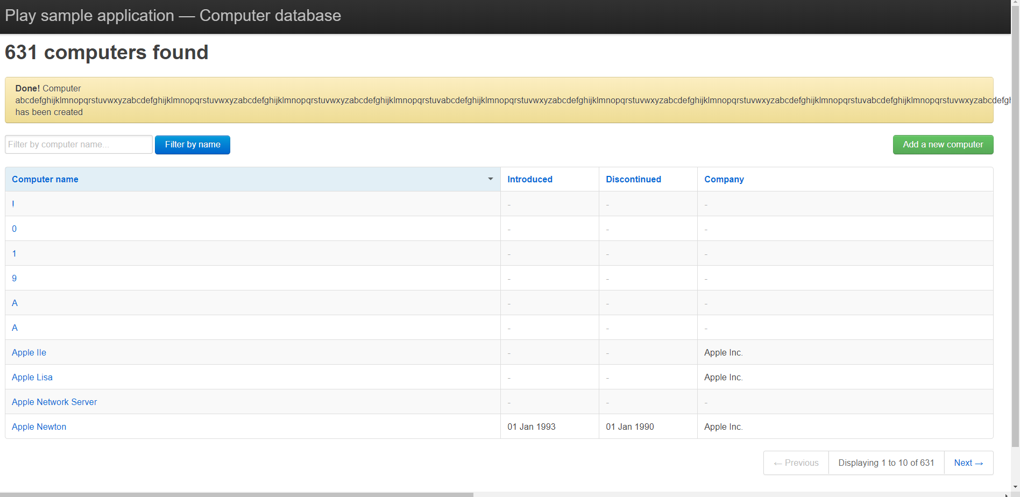
BUG | When searching/filtering for a specific computer name, the navigation at the bottom right of the screen is incorrect. If you search for a specific value (example 'a'), as you click the Next -> button and cycle through the pages, the total number of results also decreases with each page. This then prevents the user from getting past page 17 (take note of the URL as you are clicking the button). However, if you manually enter the URL http://computer-database.herokuapp.com/computers?p=18&f=a (page 18 for example) it will load. There are at least 30 pages (34 for me) of results available to the user | In the filter, enter the letter 'a' and try get to page 34 - it won't let you even though there is at least that many results available | For comparison; if you navigate through without a search/filter criteria, the logic around the results navigation behaves as expected
BUG | 100K character computer name causes the page to crash and return an "Application Error" | When adding a new computer, give the computer a name that contains 100K characters and click Create this computer | 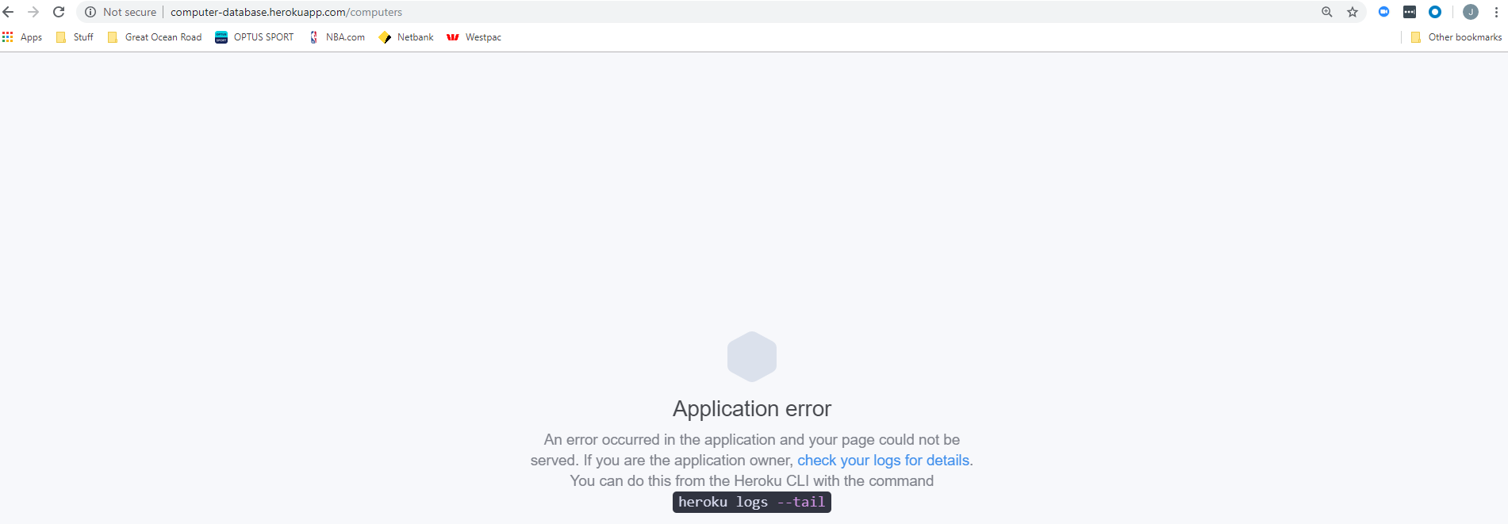
BUG | When entering a Introduced date of 0000-01-01 the system reverts the date in the results page to 03 Jan 0001 (0001-01-03) | Refer to test case 24
ISSUE | When entering a Introduced date that is future dated, should there not be a validation error indicating that the introduced date can not be greater than current date? | Refer to test case 25
ISSUE | When entering a Discontinued date that is before the introduced date, should there not be a validation error? | Refer to test case 30
ISSUE | There is no sorting on the drop down list for Company Name when adding a new computer | Refer to test case 36
BUG | When trying to filter for a specific computer name, the results are not found. | Refer to test case 40 | After some playing around with the filter function and naming conventions, there is some odd behaviour. See examples below and outcomes: Example search requests: !~`@#$%A - failed !~`@#$%1 - failed A!~`@#$%^ - failed 1!~`@#$% - failed 1!~`@#$%& - failed A!B@C#D$E%F^G&H* - failed? A!~`@#$% - passed? 1!~`@#$% - passed? A!B@C#D$E% - passed?
ISSUE

BUG
ISSUE

